Sheet2
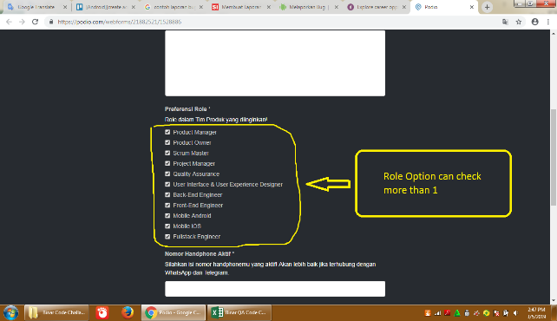
No. | Description | Steps | Attachment
1 | [Android][CareerHub][Apply for job][Preferensi Role] : Option can be checked multiple
 | This issue occures in Apply for job > Preferensi Role | 1. Laucnh https://binar.co.id
 | User lauch https://binar.co.id then navigate to Career Hub > Apply for Job>Preferensi Role. User can check multiple option. | 2. Klick Career Hub menu
 |  | 3. Klick Apply for Job menu
 | Testing use : Desktop Asus X45U - Windows 7 - Chrome V 72.0.3626.119 | 4. Choose/Check Preferensi Role Option
 | Role option should can be checked one
 | 10 trial happened 10
 | Please attachement for detail

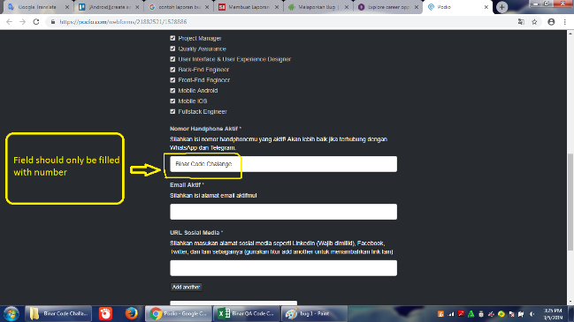
2 | [Windows][Career Hub][Apply for Job][Nomor Handphone Aktif] : Field should only be filled with number character
 | This issue occures in Apply for job > Nomor Handphone Aktif | 1. Laucnh https://binar.co.id
 | User lauch https://binar.co.id then navigate to Career Hub > Apply for Job > Nomor Handphone Aktif. User can fill using alphabet and special character. | 2. Klick Career Hub menu
 |  | 3. Klick Apply for Job menu
 | Testing use : Desktop Asus X45U - Windows 7 - Chrome V 72.0.3626.119 | 4. Fill the field using alphabet and special character
 | Field should only be filled with number character
 | 10 trial happened 10
 | Please attachement for detail

